Plotting Data
Selling Price |  |  |  | Accum Freq | Relative Freq
Lower Bound | Upper Bound | Mid-point | Frequency |  |  | Relative Accum Freq
120 | 150 | 135 | 4 | 4 | 0.0381 | 0.038095238095
150 | 180 | 165 | 18 | 22 | 0.1714 | 0.20952380952
180 | 210 | 195 | 30 | 52 | 0.2857 | 0.49523809524
210 | 240 | 225 | 20 | 72 | 0.1905 | 0.68571428571
240 | 270 | 255 | 17 | 89 | 0.1619 | 0.84761904762
270 | 300 | 285 | 10 | 99 | 0.0952 | 0.94285714286
300 | 330 | 315 | 6 | 105 | 0.0571 | 1
 |  | Total | 105

Histogram

DataSet Exercises
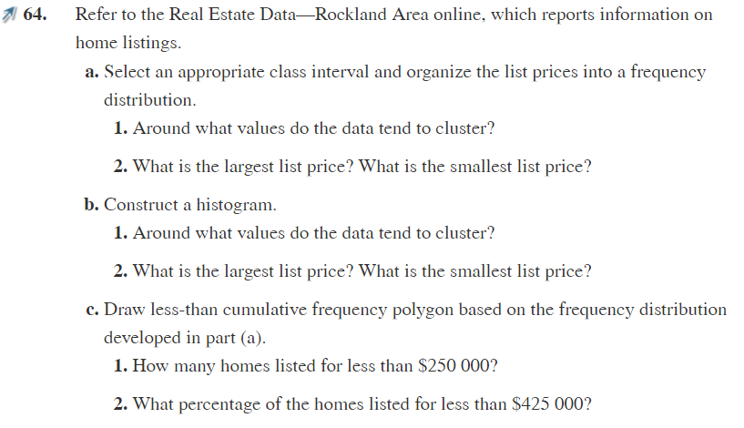

a) ===========================
1) Between 196,125 and 359,250
2) 1,388,000 and 33,000
b) ===========================
1) 277,687.5
2) 1,256,438 and 114,562.5
Obs: Why the answers are different?
Because, for the histogram I used the mid point
and not the intervals, if I had used the intervals the
answers would be the same.
c) ===========================
1)Well from the table that we made, we know the frequency from the prices less than 359,250 and less than 196,125
which are respectively 104 and 15, so the number of prices below 250,000 must be between them.
2)Well from the table that we made, we know the frequency from the prices less than 522,375 and less than 359,250
which are respectively 91.6% and 69.2%, so the number of prices below 250,000 must be between them.
But we can give the exact answers using excel *
Which are
1) 54
2) 87.8%
 | Sample number | 172
 | Max Price Value | R$ 1,338,000.00
 | Min Price Value | R$ 33,000.00
 | Range | R$ 1,305,000.00
 | K | R$ 7.43
 | Interval | R$ 163,125.00

Mid Point | Lower Bound | Upper Bound | Frequency | Cum Freq | % Cum
R$ 114,562.50 | R$ 33,000.00 | R$ 196,125.00 | 15 | 15 | 8.7%
R$ 277,687.50 | R$ 196,125.00 | R$ 359,250.00 | 104 | 119 | 69.2%
R$ 440,812.50 | R$ 359,250.00 | R$ 522,375.00 | 39 | 158 | 91.9%
R$ 603,937.50 | R$ 522,375.00 | R$ 685,500.00 | 8 | 166 | 96.5%
R$ 767,062.50 | R$ 685,500.00 | R$ 848,625.00 | 4 | 170 | 98.8%
R$ 930,187.50 | R$ 848,625.00 | R$ 1,011,750.00 | 0 | 170 | 98.8%
R$ 1,093,312.50 | R$ 1,011,750.00 | R$ 1,174,875.00 | 0 | 170 | 98.8%
R$ 1,256,438.00 | R$ 1,174,875.00 | R$ 1,338,001.00 | 2 | 172 | 100.0%

Histogram (Question B)
R$ 114,562.50 | 15
R$ 277,687.50 | 104
R$ 440,812.50 | 39
R$ 603,937.50 | 8
R$ 767,062.50 | 4
R$ 930,187.50 | 0
R$ 1,093,312.50 | 0
R$ 1,256,438.00 | 2

*** | Value | Freq
 | 250000 | 54 | 31.4%
 | 425000 | 151 | 87.8%

